Sheet1
ADITYA DEGREE COLLEGE :: TADEPALLIGUDEM
S.NO | NAME OF THE STUDENT | GROUP | UNIVERSITY HALL TICKET NUMBER | NO OF COMPANIES SELECTED | NAME OF THE COMPANIES | CITY (RESIDENCE) | NAME OF THE PARENT (FATHER) | PHOTO
1 | ELIGANTIRajesh | MPC | 183847101002 | 1 | DECCAN FINE CHEMICALS | Tadepalligudem | SRINU | 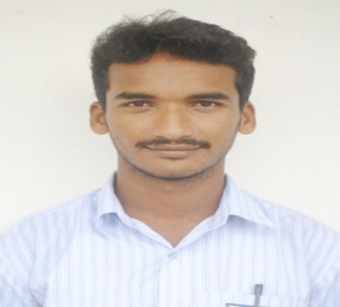
2 | GubbalaSudheer | MPC | 183847101003 | 1 | DECCAN FINE CHEMICALS | Penumantra | VENKATA SATYANARAYANA | 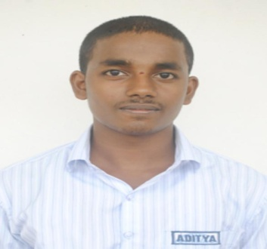
3 | GUDIMETLA Sai shanmukha srikanthReddy | MPC | 183847101004 | 3 | WIPRO-WILP,MRF,DECCANFINE CHEMICALS | Pentapadu | RAMI REDDY | 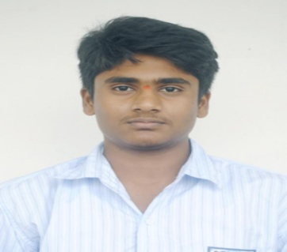
4 | JANAPAMULA JAYAMANIKANTA | MPC | 183847101005 | 1 | DECCAN FINE CHEMICALS | Ganapavaram | THATHARAO | 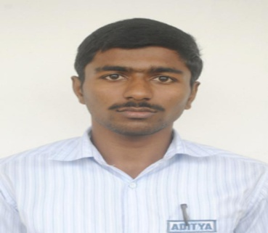
5 | JAYAVARAPU BHANU PRAKASH | MPC | 183847101006 | 1 | DECCAN FINE CHEMICALS | TADEPALLIGUDEM | VEERA VENKATA SUBBACHARI | 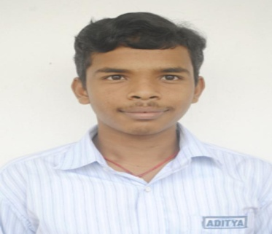
6 | KavalaNaga sri saiSudheer | MPC | 183847101008 | 1 | DECCAN FINE CHEMICALS | Kommara | VENKATA SUBBARAO | 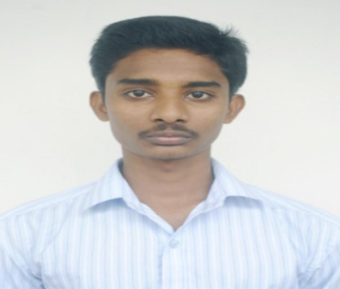
7 | Kotipalli Bala siva Krishna | MPC | 183847101010 | 1 | DECCAN FINE CHEMICALS | Tadepalligudem | SRINU | 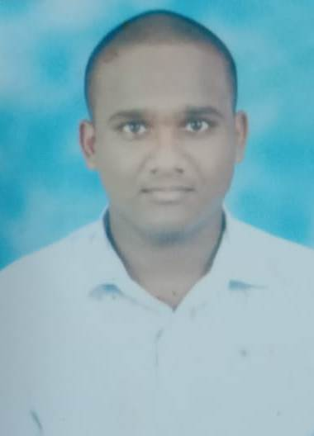
8 | Maddala Veera venkata naga Manikanta | MPC | 183847101013 | 1 | DECCAN FINE CHEMICALS | J kommara | 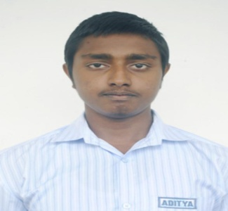 SIVA SANKAR
9 | Manukonda Anuradha | MPC | 183847101015 | 3 | WIPRO-WILP,INFOSYS-IT,INFOSYS-BPM | Tadepalligudem | MADHAVA RAO | 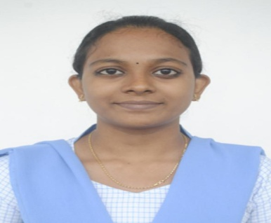
10 | NARKEDUMILLI VASAVI | MPC | 183847101018 | 1 | WIPRO - WILP | Tadepalligudem | SUBBA RAO | 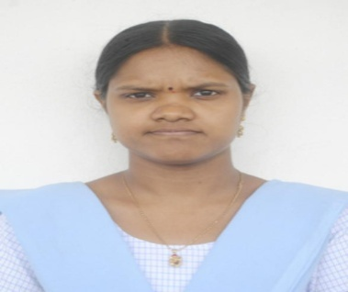
11 | PEDDOJU SOMANADH | MPC | 183847101019 | 1 | DECCAN FINE CHEMICALS | Tadepalligudem | VISWESWARA RAO | 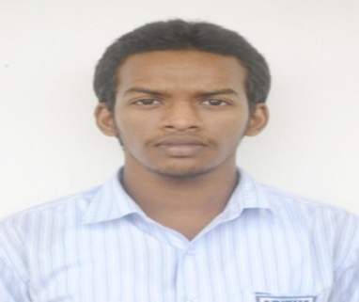
12 | Songala Bhavani Shankar | MPC | 183847101021 | 2 | DECCAN FINE CHEMICALS,MRF | West Vipparru | GANGUNAIDU | 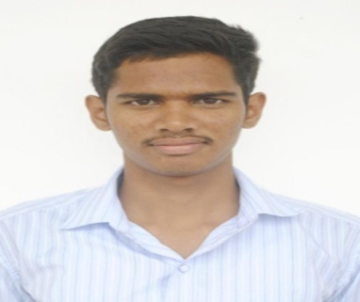
13 | Veerabattula Venkateswara Rao | MPC | 183847101026 | 1 | DECCAN FINE CHEMICALS | K.pentapadu | SRINIVASU | 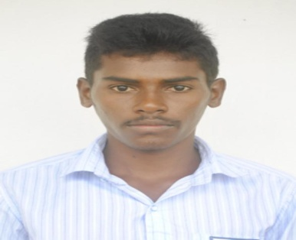
14 | VEERAMALLA DURGA VASU | MPC | 183847101027 | 1 | DECCAN FINE CHEMICALS | Tadepalligudem | SATYANARAYANA | 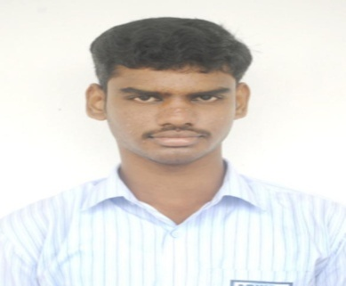
15 | Veerla Surya veera venkata naga Sai teja | MPC | 183847101028 | 1 | DECCAN FINE CHEMICALS | Prathipadu | V V N A L N SATYANARAYANA | 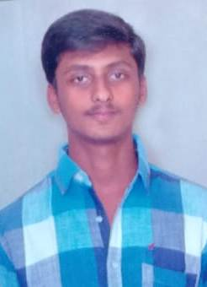
16 | Yallabandi Surya venkata Sairam | MPC | 183847101030 | 1 | DECCAN FINE CHEMICALS | Unguturu | BALA PUSHKAR RAO | 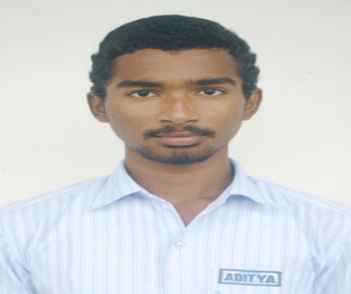
17 | Akula Lakshmi Lavanya | mpcs | 183847102034 | 2 | INFOSYS - IT,INFOSYS_BPM | Prathipadu | SUBBA RAO | 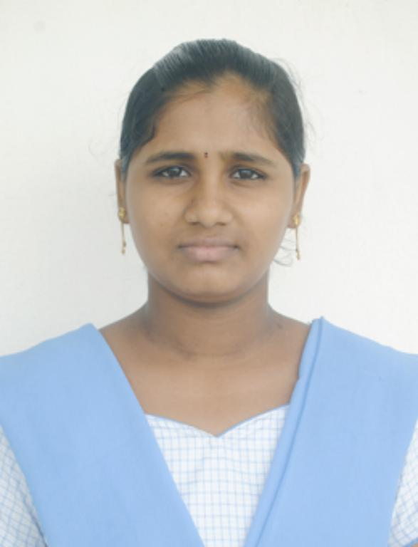
18 | Chunduri Surekha | mpcs | 183847102038 | 1 | TCS IT | Tadepalligudem | SATYANARAYANA | 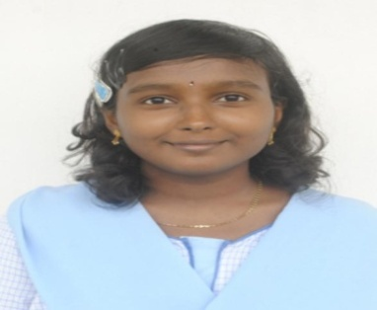
19 | DIVAKARLA RAMA LAKSHMI PRASANTHI | mpcs | 183847102040 | 2 | INFOSYS-IT,WIPRO-WILP | Narayanapuram | SRINIVASA RAO | 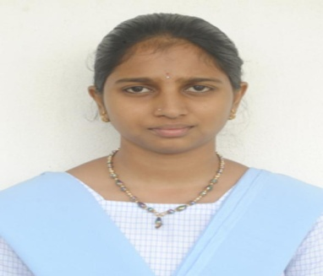
20 | Doddigarla Syamala Rani | mpcs | 183847102041 | 1 | INFOSYS - IT | Tadepalligudem | MARIYADASU | 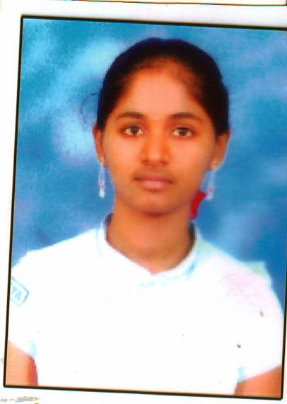
21 | Gadugoyala Akshitha | mpcs | 183847102044 | 1 | INFOSYS - IT | Tadepalligudem. | RAMBABU | 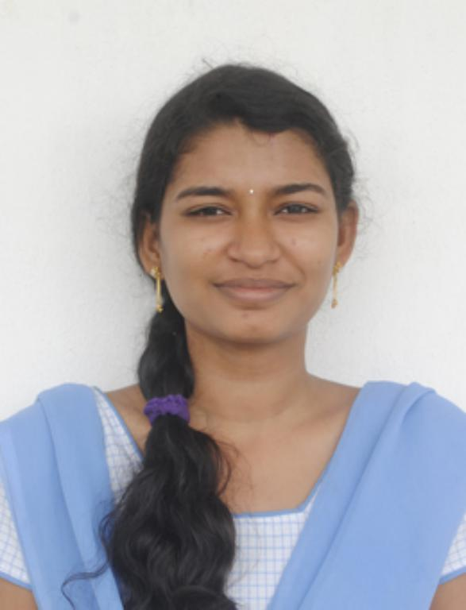
22 | Gummalla Sai Supraja | mpcs | 183847102048 | 2 | INFOSYS-IT,TCS-IT | Kunchanapalli,Tadepalligudem | DANA VENKATA SATYANARAYANA | 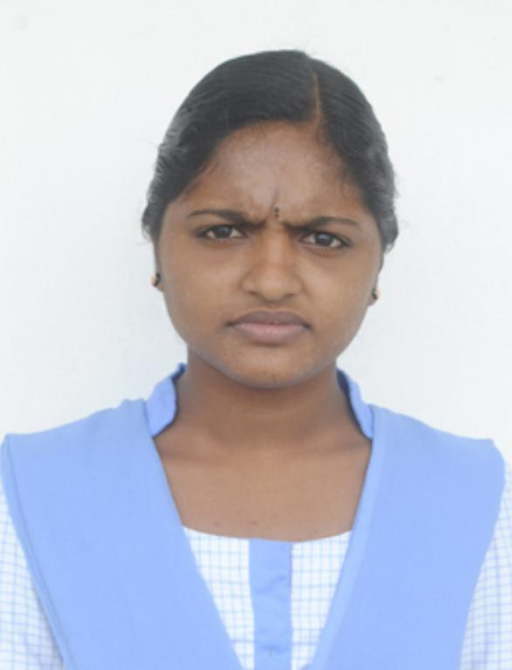
23 | GUTTULA SRAVANI | mpcs | 183847102049 | 4 | WIPRO-WILP,INFOSYS-IT,TCS-IT,INFOSYS_BPM | PIPPARA | SATYA SRINIVAS MURTHY | 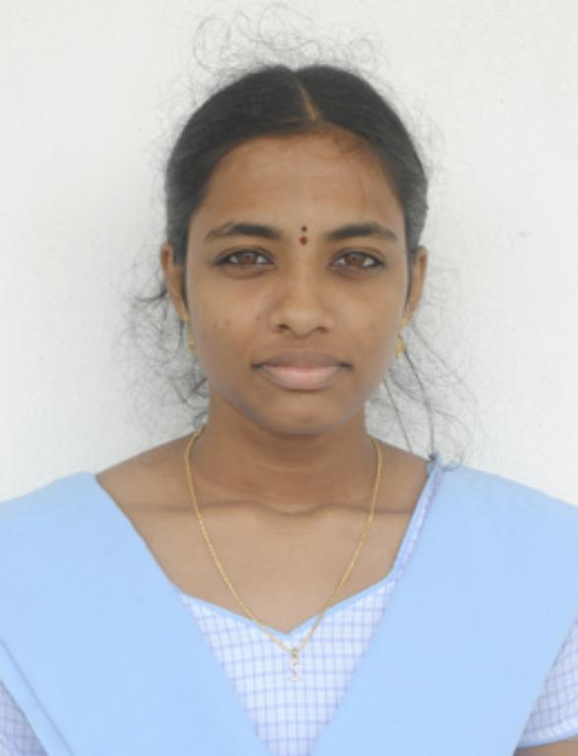
24 | KADAJARI Hema SaiLatha | mpcs | 183847102052 | 1 | TCS IT | Tadepalligudem | NAGESWARAO ( LATE) | 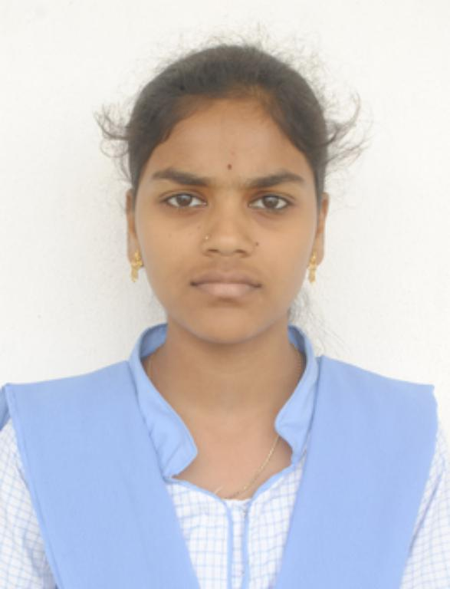
25 | Kaligineedi Tejaswi | mpcs | 183847102053 | 1 | WIPRO - WILP | Unguturu | VENKATA RATNAM | 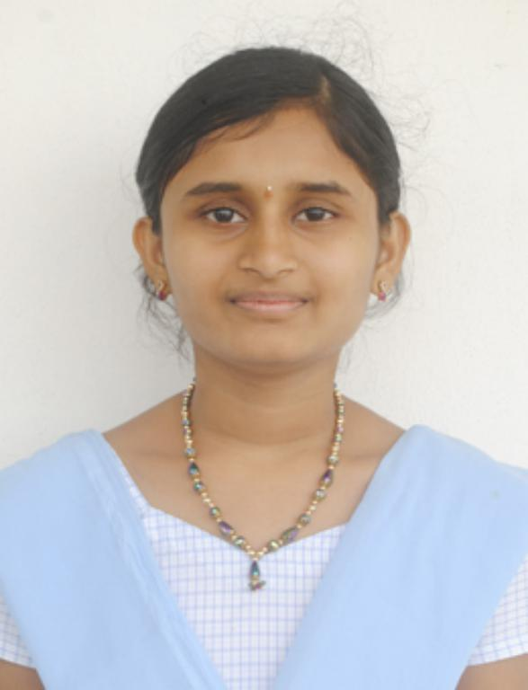
26 | Manne Navya Sri | mpcs | 183847102060 | 2 | WIPRO - WILP,INFOSYS-BPM | Tadepalligudem | BHASKARA RAO | 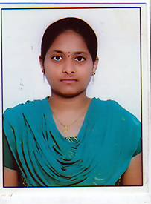
27 | PENUGONDA JOSHNA SRI LAKSHMI | mpcs | 183847102066 | 2 | WIPRO - WILP,TCS-IT | Ravulaparru | VEERA RAGHAVA RAO | 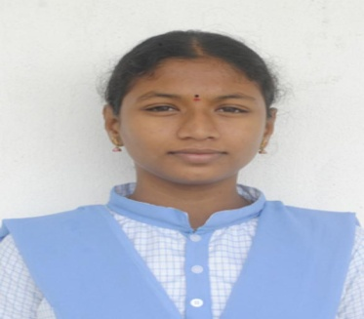
28 | Rudra Yasaswi Pavani | mpcs | 183847102074 | 1 | WIPRO - WILP | TADEPALLIGUDEM | THATHA RAO | 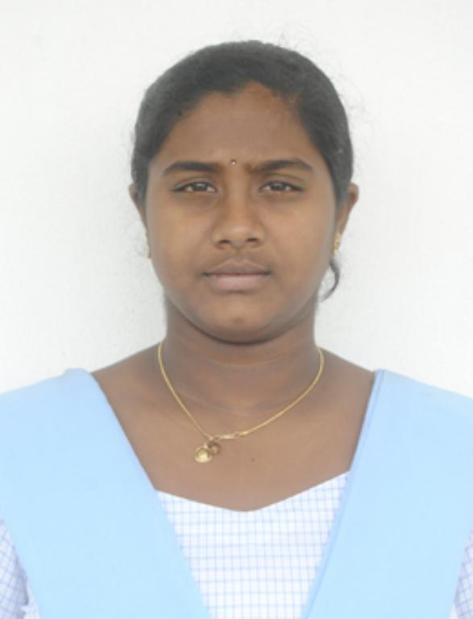
29 | Satti RamyaSri | mpcs | 183847102075 | 1 | INFOSYS - IT | Tadepalligudem | VENKATA RAMI REDDY | 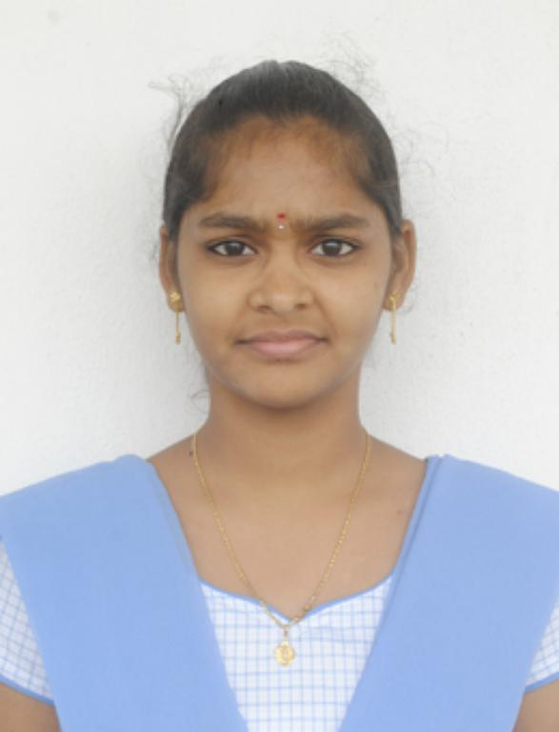
30 | Shaik Sai Saisri | mpcs | 183847102077 | 1 | INFOSYS - IT | Tadepalligudem | BABU KIRAN KUMAR
31 | SIRAPARAPU VENKATA SIVAKRISHNA RAO | mpcs | 183847102078 | 1 | WIPRO - WILP | RAVIPADU | APPA RAO | 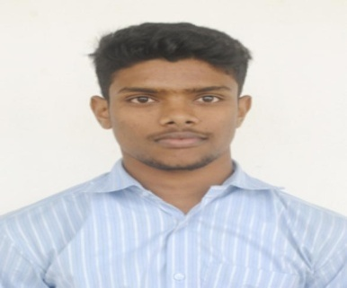
32 | Suvvada Maheswari | mpcs | 183847102081 | 2 | INFOSYS-IT,WIPRO-WILP | Tadepalligudem | VENKATA SATYANARAYANA | 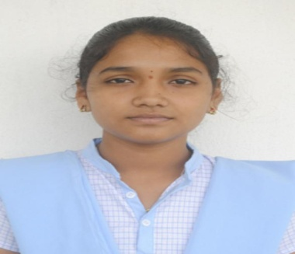
33 | VELAGALA VENUKA RANI | mpcs | 183847102085 | 1 | WIPRO - WILP | PENTAPADU | PULLA REDDY | 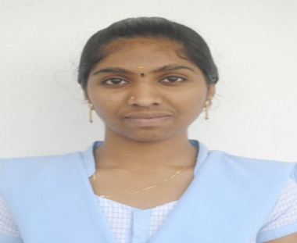
34 | Yadlapalli Eswara SaiVenkatesh | mpcs | 183847102088 | 1 | WIPRO - WILP | TADEPALLIGUDEM | nageswara rao | 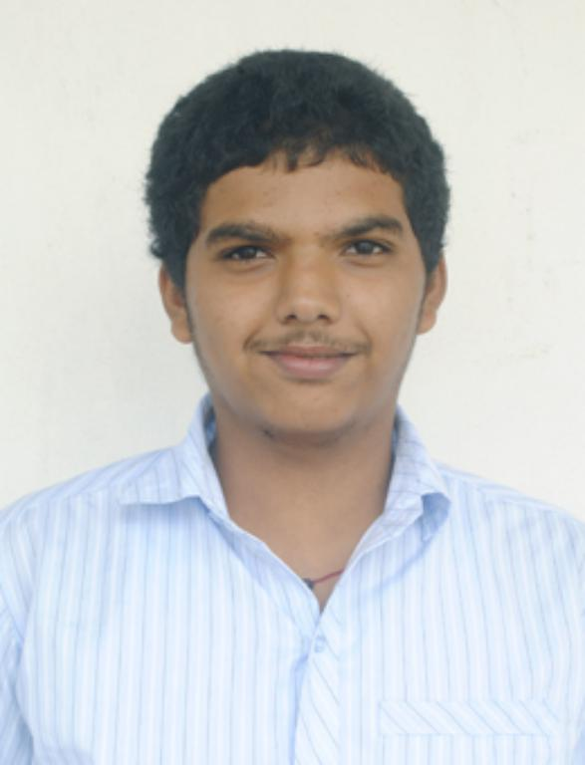
35 | Basava Naveena | mecs | 183847137099 | 2 | INFOSYS-IT,WIPRO-WILP | Pippara | DHARMA RAO | 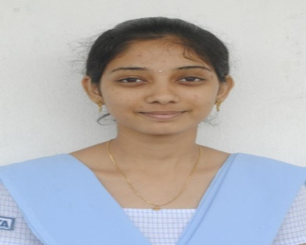
36 | Chinchili Satya naga Sirisha | mecs | 183847137101 | 2 | INFOSYS-IT,WIPRO-WILP | Tadepalligudem | SRIMANNARAYANA | 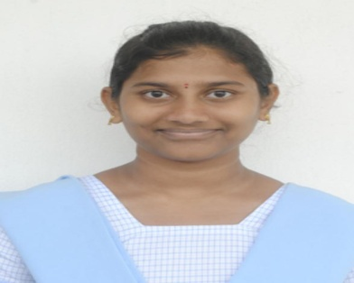
37 | Ganeshna Veeraveni | mecs | 183847137105 | 1 | WIPRO,TCS_BPS | Tadepalligudem | VENKATESWARA RAO | 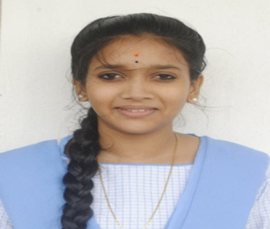
38 | Karanam Sa iSruthi | mecs | 183847137109 | 3 | INFOSYS-IT,WIPRO-WILP,INFOSYS_BPM | Tadepalliguedm | SEKHAR | 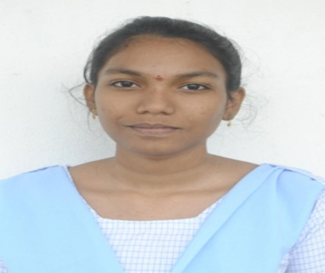
39 | KROVVIDI SAI VAMSI INDRAJ | mecs | 183847137114 | 2 | INFOSYS-IT,WIPRO-WILP | TADEPALLIGUDEM | SURYANARAYANA MURTHY ( LATE) | 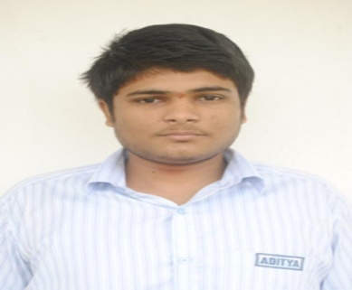
40 | MadicherlaTejaswi | mecs | 183847137115 | 2 | INFOSYS-IT,WIPRO-WILP | Tadepalligudem | KASI VISWESWAAO | 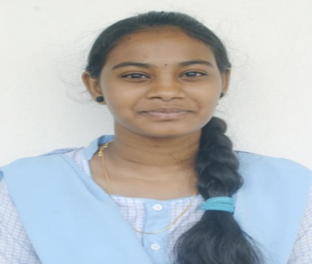
41 | MUNJULURI ANURADHA HARI PRIYA | mecs | 183847137120 | 2 | INFOSYS-IT,WIPRO-WILP | TADEPALLIGUDEM | S S V M S S RAMESH | 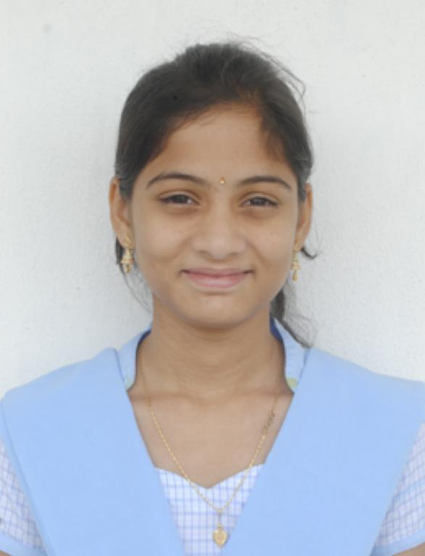
42 | Mynaru Vijaya Durga | mecs | 183847137121 | 1 | INFOSYS-BPM | Tadepalligudem | SATTI BABU | 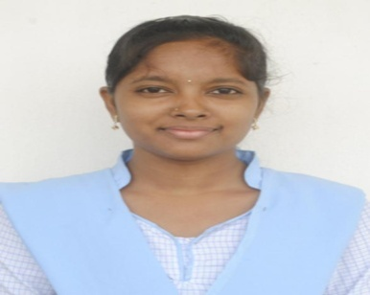
43 | PENAGANTI LAVANYA | mecs | 183847137127 | 2 | WIPRO - WILP,INFOSYS-BPM | Tadepalligudem | VENKATA SURYA NARAYANA | 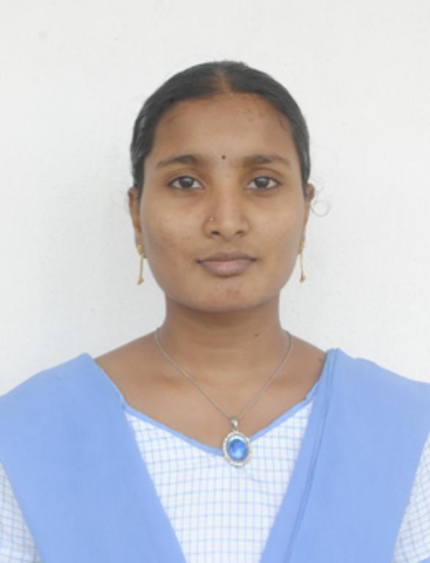
44 | REKHAPALLI TEJASWINI | mecs | 183847137132 | 2 | TCS IT,INFOSYS_BPM | Tadepalligudem | NAGA RAJU | 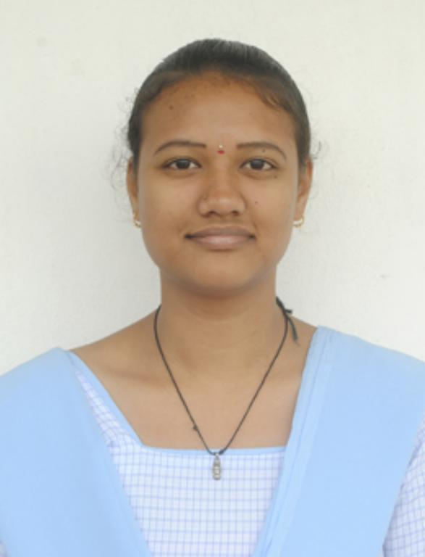
45 | SALADI LEKHYA KALA DURGA | mecs | 183847137133 | 1 | TCS-BPS | TADEPALLIGUDEM | SRINIVASA RAO | 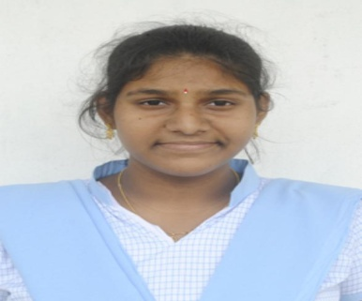
46 | Satti Geetha Muni | mecs | 183847137135 | 1 | WIPRO - WILP | pentapadu | SUBBI REDDY | 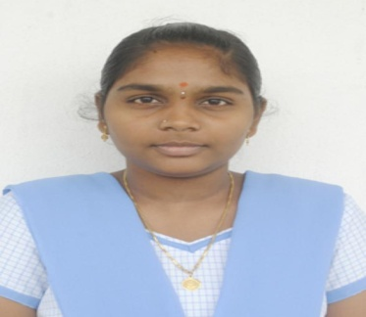
47 | SEELAM MANJUSHA | MECS | 183847137136 | 2 | WIPRO-WILP,INFOSYS-BPM | TADEPALLIGUDEM | RAM BABU | 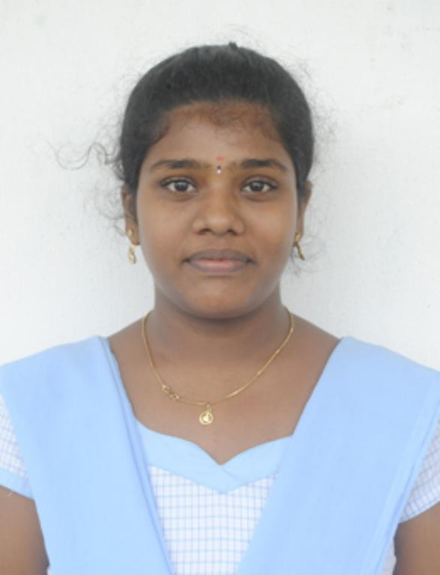
48 | SUVVARI DURGADEVI | mecs | 183847137140 | 2 | WIPRO - WILP,INFOSYS-BPM | Mudunuru | RAJU | 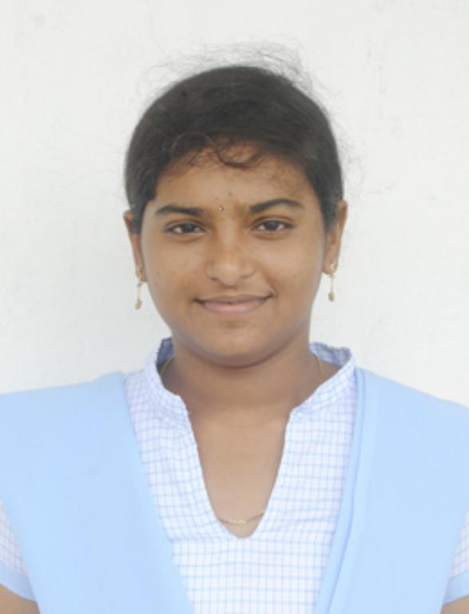
49 | YANDRAPU MOHAN KRISHNA | mecs | 183847137148 | 2 | INFOSYS-BPM,WIPRO-WILP | Tadepalligudem | KRISHNA | 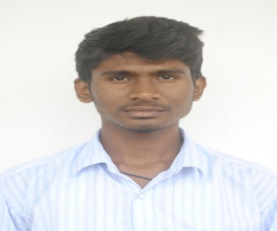
50 | Gandham Mounika | BCA | 183847400005 | 1 | TCS-IT | Tadepalligudem | SATYANARAYANA | 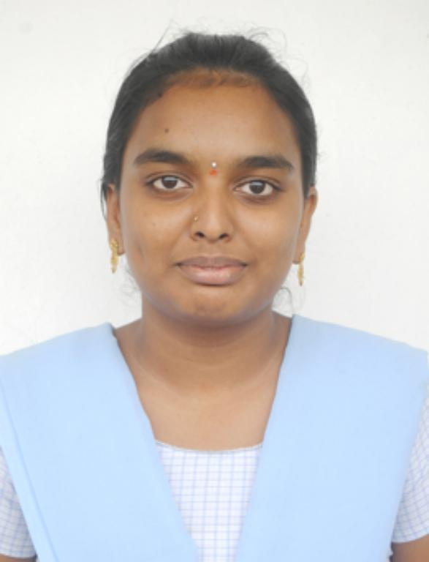
51 | Goraparthi Karuna | BCA | 183847400007 | 2 | DELOITTE,WIPRO-WILP | Tadepalligudem | NAGA RAJU | 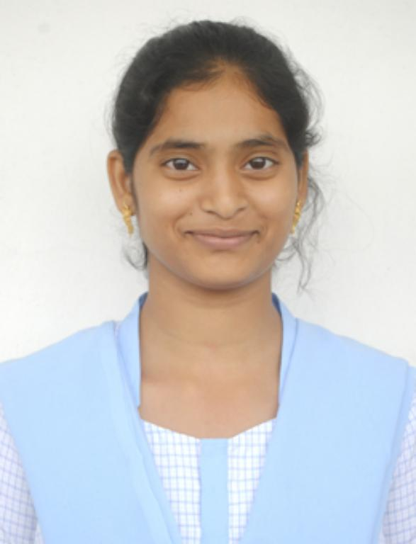
52 | Jalaparthi.teja sri roy | BCA | 183847400008 | 1 | WIPRO - WILP | Tadepalligudem | RAVI KUMAR | 
53 | Lakkadasu Rao Sumadhura | BCA | 183847400014 | 2 | DELOITTE,INFOSYS-IT | Tadepalligudem | PRASADA RAO | 
54 | Pasala Varshitha | BCA | 183847400022 | 1 | TCS-IT | Tadepalligudem | SRINIVAS ( LATE) | 
55 | Teeda.TejaswiniSriSai | BCA | 183847400031 | 1 | DELOITTE,INFOSYS_BPM | Tadepalligudem | KODANDA VENKATESWARA RAO | 
56 | Achyuta Vasu SURYA Teja | BBA | 183848300001 | 1 | INFOSYS-BPM | Tadepalligudem |  SRINIVASA RAO
57 | AKANA NAGA VENKATA SAI KRISHNA | BBA | 183848300003 | 1 | INFOSYS-BPM | Tadepalligudem | TRIMURTHULU | 
58 | Duvvapu Divya | BBA | 183848300006 | 1 | INFOSYS-BPM | Tadepalligudem | SATYANARAYANA | 
59 | Garaga Lavanya | BBA | 183848300007 | 1 | INFOSYS _BPM | Tadepalligudem | PRASAD | 
60 | GattiJyothi Naga Devi | BBA | 183848300008 | 1 | INFOSYS-BPM | Tadepalligudem | SRINIVASA RAO | 
61 | Gopisetti Ramya | BBA | 183848300010 | 1 | INFOSYS-BPM,TCS_BPS | Tadepalligudem | VENKATESWARAO | 
62 | Immidisetti Lakshmi Sravanthi | BBA | 183848300011 | 1 | INFOSYS-BPM | Tadepalligudem | SRINIVASA RAO | 
63 | Madugula Sai Annapurna | BBA | 183848300018 | 1 | INFOSYS-BPM | Tadepalligudem | VIJAYA KISHORE | 
64 | Shaheeda Shaik | BBA | 183848300022 | 1 | INFOSYS-BPM | Tadepalligudem | MAHBASHA | 
65 | VANKAYALA RAMKUMAR | BBA | 183848300025 | 1 | INFOSYS-BPM | Tadepalligudem | SURYANARAYANA
66 | Yarramsetti SaiSathwika | BBA | 183848300027 | 1 | INFOSYS-BPM | Tadepalligudem | SRINIVASA RAO | 
67 | UndrajavarapuSirisha | MPC | 183847101025 | 1 | INFOSYS-BPM | NAVABPALEM | NARASIMHAMURTHY(LATE) | 
68 | Katta Divya sai durga | BCOM | 183038200028 | 1 | INFOSYS_BPM | ALAMPURAM | SUBRAHMANYESWARARO | 
69 | AlluMeghana | MECS | 183847137094 | 1 | INFOSYS_BPM | TADEPALLIGUDEM | NAGESWARARAO | 
70 | Uppe Dedeepya | BBA | 183848300024 | 1 | TCS-BPS | TADEAPALLIGUDEM | SUBBA RAO | 
71 | saride saiteja | BCA | 183847400026 | 1 | INFOSYS_BPM | KOMMUGUDEM | PEDDABBAI | 
72 | BASAMSETTI PRASANNALAKSHMI | MPCS | 183847102036 | 1 | INFOSYS_BPM | TADEAPALLIGUDEM | VEERASWAMY | 
73 | Josyula S A N S S krishna Sushma | MPCS | 183847102051 | 1 | INFOSYS_BPM | TADEPALLIGUDEM | SIVA SITARAMYYA | 
74 | Kamisetti Navya | MPCS | 183847102054 | 1 | INFOSYS_BPM | PADALA | UMA SHANKAR | 
75 | SOMALANKA SAIKUMARI | MPCS | 183847102079 | 1 | INFOSYS_BPM | MADHAVARAM | SATYANARAYANA | 
76 | VEGESNALAHARI | MPCS | 183847102084 | 1 | INFOSYS_BPM | Narayanapuram | RAJU | 
77 | ANISETTIBHAGATHSINGH | BCA | 183847400001 | 2 | INFOSYS_BPM,MINDTREE | JANGAREDDYGUDEM | RAMU | 
78 | Veeramallu Nagavenkata Suryadurga | MPCS | 183847102083 | 2 | INFOSYS_BPM,WIPRO-WILP | ARUGOLANU | NAGA RAJU | 

INFOSYS BPM
ADITYA DEGREE COLLEGE :: TADEPALLIGUDEM :: INFOSYS BPM :: 35
S.NO | NAME OF THE STUDENT | GROUP | UNIVERSITY HALL TICKET NUMBER | CITY (RESIDENCE) | NAME OF THE PARENT (FATHER) | PHOTO
1 | Manukonda Anuradha | MPC | 183847101015 | Tadepalligudem | MADHAVA RAO
2 | Akula Lakshmi Lavanya | mpcs | 183847102034 | Prathipadu | SUBBA RAO
3 | GUTTULA SRAVANI | mpcs | 183847102049 | PIPPARA | SATYA SRINIVAS MURTHY
4 | Manne Navya Sri | mpcs | 183847102060 | Tadepalligudem | BHASKARA RAO
5 | Karanam Sa iSruthi | mecs | 183847137109 | Tadepalliguedm | SEKHAR
6 | Mynaru Vijaya Durga | mecs | 183847137121 | Tadepalligudem | SATTI BABU
7 | PENAGANTI LAVANYA | mecs | 183847137127 | Tadepalligudem | VENKATA SURYA NARAYANA
8 | REKHAPALLI TEJASWINI | mecs | 183847137132 | Tadepalligudem | NAGA RAJU
9 | SEELAM MANJUSHA | MECS | 183847137136 | TADEPALLIGUDEM | RAM BABU
10 | SUVVARI DURGADEVI | mecs | 183847137140 | Mudunuru | RAJU
11 | YANDRAPU MOHAN KRISHNA | mecs | 183847137148 | Tadepalligudem | KRISHNA
12 | Teeda.TejaswiniSriSai | BCA | 183847400031 | Tadepalligudem | KODANDA VENKATESWARA RAO
13 | Achyuta Vasu SURYA Teja | BBA | 183848300001 | Tadepalligudem | SRINIVASA RAO
14 | AKANA NAGA VENKATA SAI KRISHNA | BBA | 183848300003 | Tadepalligudem | TRIMURTHULU
15 | Duvvapu Divya | BBA | 183848300006 | Tadepalligudem | SATYANARAYANA
16 | Garaga Lavanya | BBA | 183848300007 | Tadepalligudem | PRASAD
17 | GattiJyothi Naga Devi | BBA | 183848300008 | Tadepalligudem | SRINIVASA RAO | 
18 | Gopisetti Ramya | BBA | 183848300010 | Tadepalligudem | VENKATESWARAO
19 | Immidisetti Lakshmi Sravanthi | BBA | 183848300011 | Tadepalligudem | SRINIVASA RAO
20 | Madugula Sai Annapurna | BBA | 183848300018 | Tadepalligudem | VIJAYA KISHORE
21 | Shaheeda Shaik | BBA | 183848300022 | Tadepalligudem | MAHBASHA
22 | VANKAYALA RAMKUMAR | BBA | 183848300025 | Tadepalligudem | SURYANARAYANA
23 | Yarramsetti SaiSathwika | BBA | 183848300027 | Tadepalligudem | SRINIVASA RAO
24 | UndrajavarapuSirisha | MPC | 183847101025 | NAVABPALEM | NARASIMHAMURTHY(LATE)
25 | Katta Divya sai durga | BCOM | 183038200028 | ALAMPURAM | SUBRAHMANYESWARARO
26 | AlluMeghana | MECS | 183847137094 | TADEPALLIGUDEM | NAGESWARARAO
27 | saride saiteja | BCA | 183847400026 | KOMMUGUDEM | PEDDABBAI
28 | BASAMSETTI PRASANNALAKSHMI | MPCS | 183847102036 | TADEAPALLIGUDEM | VEERASWAMY
29 | Josyula S A N S S krishna Sushma | MPCS | 183847102051 | TADEPALLIGUDEM | SIVA SITARAMYYA
30 | Kamisetti Navya | MPCS | 183847102054 | PADALA | UMA SHANKAR
31 | SOMALANKA SAIKUMARI | MPCS | 183847102079 | MADHAVARAM | SATYANARAYANA
32 | VEGESNALAHARI | MPCS | 183847102084 | Narayanapuram | RAJU
33 | ANISETTIBHAGATHSINGH | BCA | 183847400001 | JANGAREDDYGUDEM | RAMU
34 | Veeramallu Nagavenkata Suryadurga | MPCS | 183847102083 | ARUGOLANU | NAGA RAJU
37 | Ganeshna Veeraveni | mecs | 183847137105 | Tadepalligudem | VENKATESWARA RAO

